Engine Disassy 12V140 (REV 6)
PT SAPTAINDRA SEJATI
PLANT REBUILD CENTER

DISASSEMBLY CHECK SHEET |  |  |  |  |  |  |  |  |  |  | WO NUMBER |  |  |  |  |  |  |  |  |  |  | UNIT CODE
 |  |  |  |  |  |  |  |  |  |  | ENGINE MODEL |  |  |  |  | SAA12V140E-3 |  |  |  |  |  | PUBL. DATE
KOMATSU ENGINE 12V140-3 |  |  |  |  |  |  |  |  |  |  | ENGINE SER. NO |  |  |  |  |  |  |  |  |  |  | REVISION NO. |  |  |  | 06
 |  |  |  |  |  |  |  |  |  |  | MACHINE MODEL |  |  |  |  |  |  |  |  |  |  | DOCUMENT NO.

PROCESS |  |  |  | START/date&time |  |  |  |  |  |  |  |  |  |  |  | DISASSEMBLY BY
 |  |  |  | FINISH/date&time

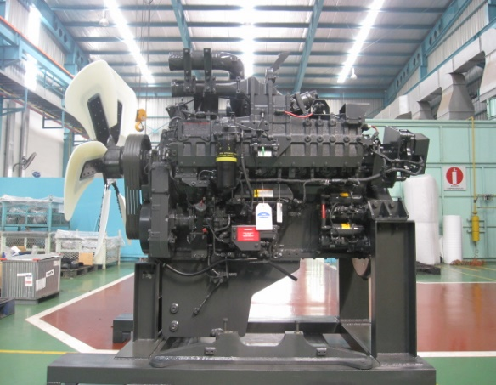
NO. | PARTS TO REMOVE OR INSPECT |  | CONDITIONS TO BE INSPECTED |  |  |  |  |  |  |  |  |  |  |  |  |  | SALVAGE | REPLACE | SKETCH DRAWING,OR PHOTOES |  |  |  |  |  |  |  | REMARKS
1 | Engine ass'y |  | • | Setting engine to engine stand
 |  |  |  | ~ | Prepare to stable engine stand that will prevent
 |  |  |  |  | the engine from falling over, the set the engine |  |  |  |  |  |  |  |  |  |  |  |  |  |  |  |  |  |  |  |  |  | Check Rotate Crankshaft
 |  |  |  |  | assembly on the stand and secure it in position. |  |  |  |  |  |  |  |  |  |  |  |  |  |  |  |  |  |  |  |  |  | YES:
 |  |  | • | Drain engine oil from oil pan (the amount of oil |  |  |  |  |  |  |  |  |  |  |  |  |  |  |  |  |  |  |  |  |  |  | NO :
 |  |  |  | differs according to the machine model)
 |  |  | • | Rotate Crankshaft 720° for check Engine
 |  |  |  | jammed or not.
2 | Fuel Filter and Filter Head Ass'y, and Priming Pump, |  | • | Remove fuel tube, inspect for damage

 |  |  | • | Remove fuel filter, and filter head ass'y
 |  |  |  | Inspect for threads and damage to fittings.
 |  |  | • | Remove priming pump
 | Corrosion Resistor |  | • | Remove corrosion resistor, tubes and mount.
 |  |  |  | Inspect for damage.
 |  |  | • | Inspect the fuel filter housing for cracks, pulled
 |  |  |  | threads and damage to fittings.
3 | Engine controller and controller cooler |  | • | Remove connector, than remove engine controller
 |  |  | • | Remove fuel hoses
 |  |  | • | Remove controller cooler check for damage
 |  |  | • | CONTROLLER RH,ESN:
 |  |  | • | CONTROLLER LH,ESN:
CHECK BY SUB ASSY 3
4 | Starter Motor |  | • | Please note if not fitted to engine. |  |  |  |  |  |  |  |  |  | UPPER
 |  |  |  | UPPER S/N: |  |  |  |  |  |  |  |  |  | LOWER
 | Alternator |  |  | LOWER S/N:
 |  |  |  | Please note if not fitted to engine.
 |  |  |  | ALTERNATOR S/N:

5 | Turbocharger |  | • | Remove Turbocharger, mounting bolts & Adapters |  |  |  |  |  |  |  |  |  |  | LH
 |  |  | • | Remove turbo oil line fittings. Check pipes |  |  |  |  |  |  |  |  |  |  | RH
 |  |  |  | and connections
 |  |  |  | Turbocharger RH S/N:
 |  |  |  | Turbocharger LH S/N:
6 | Exhaust Manifold |  | • | Remove and inspect for cracks, pulled |  |  |  |  |  |  |  |  | RH | FRONT
 |  |  |  | threads, snapped studs and |  |  |  |  |  |  |  |  |  | CENTRE
 |  |  |  | missing bolts. |  |  |  |  |  |  |  |  |  | REAR
 |  |  |  |  |  |  |  |  |  |  |  |  | LH | FRONT
 |  |  | • | Doing Colour Check inspection |  |  |  |  |  |  |  |  |  | CENTRE
 |  |  |  | joint with QA Officer |  |  |  |  |  |  |  |  |  | REAR

CHECK BY SUB ASSY 2
7 | After Cooler |  | • | Check for pulled threads and missing bolts. |  |  |  |  |  |  |  |  |  |  | LH
 |  |  | • | Remove aftercooler and check for damage, |  |  |  |  |  |  |  |  |  |  | RH
 |  |  |  | water leaks, dust entry etc.
 |  |  | • | Check aftercooler water tubes for cracks,
 |  |  |  | corrosion and any other damage.

8 | Common Rail and Fuel Filter ass'y |  | • | Remove all lines and clamps. Check for wear
 |  |  |  | and damage.

 |  |  | • | Remove Common rail assembly and check for
 |  |  |  | damage and cracks.

 |  |  | • | Remove and inspect the fuel filter housing and lines
 |  |  |  | or cracks, pulled threads and damage to fittings.

CHECK BY FIP
NO. | PARTS TO REMOVE OR INSPECT |  | CONDITIONS TO BE INSPECTED |  |  |  |  |  |  |  |  |  |  |  |  |  | SALVAGE | REPLACE | SKETCH DRAWING,OR PHOTOES |  |  |  |  |  |  |  | REMARKS
9 | Fuel Supply Pump ass'y |  | • | Remove pump and mount, and inspect for
 |  |  |  | damage, missing parts and wear.

 |  |  | • | Check fuel pump oil lines for damage and
 |  |  |  | stripped threads.

 |  |  | • | Remove and check that fuel pump supply and
 |  |  |  | return lines are in good condition.
 |  |  | • | Check the fuel pump drive couplings for
 |  |  |  | signs of wear.
 |  |  |  | Fuel pump RH S/N:
 |  |  |  | Fuel pump LH S/N:

10 | Water Pump |  | • | Check for evidence of leakage.
 |  |  | • | Check for signs of wear and damage.

11 | Breather |  | • | Remove and inspect the breather and tube |  |  |  |  |  |  |  |  |  |  | LH
 |  |  |  |  |  |  |  |  |  |  |  |  |  |  | RH
 |  |  |  | ~ | The water pump is held by two mounting bolts
 |  |  |  |  | at the front and two mounting bolts at the rear

12 | Oil Cooler |  | • | Check oil cooler housing for cracks and pulled
 |  |  |  | threads.
 |  |  | • | Check oil cooler for dents and leaks.

13 | Oil Filler and |  | • | Remove oil filler and oil level gauge, check for
 | Oil Level Gauge |  |  | dents and cracks

14 | Rocker Covers |  | • | Remove Rocker Arm cover and check for cracks
 | and |  |  | and damage to seal face.
 | Rocker Housing |  |  | Note :

15 | Rocker Arm |  | • | Remove rocker arms and shafts and check
 |  |  |  | for wear and other damage.
 |  |  | • | Check the contact area on the crossheads are
 |  |  |  | from scuffing and wear.
 |  |  | • | Check the pushrods for bends and other
 |  |  |  | damage.

16 | Cylinder Head |  | • | Check cylinder head bolts for pin punch marks.
 |  |  |  | If there are five marks, renew bolts.
 |  |  | • | Check the exhaust face condition and bolt
 |  |  |  | holes for pulled threads.
 |  |  | • | Check the head surface for water marks or
 |  |  |  | damage.
 |  |  | • | Doing Colour Check inspection joint with QA Officer

17 | Cam Followers |  | • | Inspect cam followers for damage to the
 |  |  |  | contact surface of the rollers.
 |  |  | • | Check condition of covers.
 |  |  |  | ~ | The mounting bolts of the cam follower is
 |  |  |  |  | a special bolt, so keep it in a safe place and
 |  |  |  |  | be careful not to lose it

NO. | PARTS TO REMOVE OR INSPECT |  | CONDITIONS TO BE INSPECTED |  |  |  |  |  |  |  |  |  |  |  |  |  | SALVAGE | REPLACE | SKETCH DRAWING,OR PHOTOES |  |  |  |  |  |  |  | REMARKS
18 | Thermostat housing |  | • | Disconect thermostat case and thermostat
 |  |  |  | housing and check condition for cracked and
 |  |  |  | damage.
 | Thermostat case |  | • | Check surface contact thermostat

19 | Vibration Damper |  | • | Check vibration damper for damage.
 | and Pulleys |  | • | Check pulleys for damage and wear.
 |  |  | • | Check belt tensioner for wear.
 |  |  | • | Check front trunnion mount.

20 | Oil Pan |  | • | Remove pan and check for dents and cracks.
 |  |  | • | Check oil level sensor
 |  |  | • | Check drain plug for pulled threads
 |  |  | • | Check oil pick up pipe for cracks in the welds
 |  |  | • | Check screen for damage.

21 | Front Support and |  | • | Remove and inspect front cover for damage
 | Timing Cover |  | • | Check surface condition of seal running area
 |  |  |  | on front shaft.

22 | Timing Gears |  | • | Inspect and record condition of individual
 |  |  |  | gears. Check for chipped teeth, cracks,
 |  |  |  | excessive backlash and end float.
 |  |  | • | Check shafts and bearings for wear.
 |  |  | • | Measure thickness of thrust plates for wear.
 |  |  | • | Check alternator drive.
 |  |  | • | Check fuel pump drive.
 |  |  | • | Check accessory drive.
 |  |  | • | Check water pump drive.
 |  |  |  |  |  |  |  |  |  |  |  |  | Unit : mm
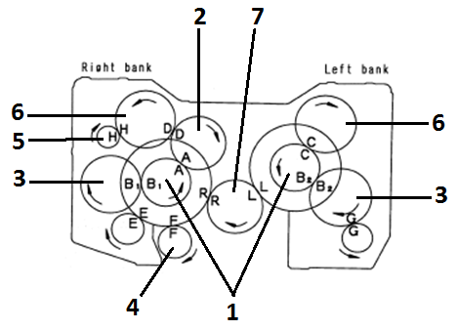
 | Backlash |  | Measured |  |  |  | End Play |  |  | Measured
 | R-R | 0.141-0.425 |  |  |  |  | 1 | 0.07 - 0.18 |  | RH
 |  |  |  |  |  |  |  |  |  | LH
 | A-A | 0.030-0.390 |  |  |  |  | 2 | 0.07 - 0.18
 | D-D | 0.129-0.391 |  |  |  |  | 3 | 0.07 - 0.20 |  | RH
 |  |  |  |  |  |  |  |  |  | LH
 | H-H | 0.085-0.492 |  |  |  |  | 4 | 0.03 - 0.088
 | B1-B1 | 0.051-0.469 |  |  |  |  | 5 | 0.1 - 0.4
 | E-E | 0.052-0.481 |  |  |  |  | 6 | 0.14 - 0.32
 | F-F | 0.137-0.421 |  |  |  |  | 7 | 0.10 - 0.25 |  | RH
 |  |  |  |  |  |  |  |  |  | LH
 | L-L | 0.141-0.425
 | C-C | 0.129-0.391
 | B2-B2 | 0.051-0.469

NO. | PARTS TO REMOVE OR INSPECT |  | CONDITIONS TO BE INSPECTED |  |  |  |  |  |  |  |  |  |  |  |  |  | SALVAGE | REPLACE | SKETCH DRAWING,OR PHOTOES |  |  |  |  |  |  |  | REMARKS
23 | Camshaft |  | • | Check camshaft journals for wear.
 |  |  | • | Check end float of camshaft.
 |  |  | • | Check cam surfaces for wear and other
 |  |  |  | damage
 |  |  | • | Check camshaft for bends.

24 | Flywheel and |  | • | Check bolts and bolt holes.
 | Flywheel Housing |  | • | Check pilot bearing hole.
 |  |  |  | Inspect ring gear for chipped and worn teeth.
 |  |  | • | Check housing for cracks, check bolt holes.

25 | Oil Pump Ass'y |  | • | Check pump O-rings at inlet and outlet ports.
 |  |  | • | Check pump for wear and damage.

 | Piston Cooling |  | • | grooves, skirts and clodge
 | Nozzles |  |  | RH |  | 1 | 2 |  | 3 | 4 |  | 5 |  | 6

 |  |  |  | LH |  | 1 | 2 |  | 3 | 4 |  | 5 |  | 6

 |  |  |  |  |  | Notes : | √ | Good
 |  |  |  |  |  |  | x | No Good
26 | Connecting Rods |  | • | Check con rod for cracks and damage.
 |  |  | • | Check big end bore for scratches or distortion.
 |  |  | • | Check for damage on mating face of cap.

 |  |  |  | RH/LH |  | 1 | 2 |  | 3 | 4 |  | 5 |  | 6

 |  |  | • | Standard side clereance (End Play)
 |  |  |  | 0.300 ~ 0.454 mm

27 | Pistons |  | • | Measure wear on piston skirt, ring grooves and
 |  |  |  | pin bore
 |  |  |  | RH |  | 1 | 2 |  | 3 | 4 |  | 5 |  | 6

 |  |  |  | LH |  | 1 | 2 |  | 3 | 4 |  | 5 |  | 6

 |  |  |  | Notes : |  | √ Good, |  | X No Good
28 | Crankshaft |  | • | Inspect main and pin journals for scratches,
 |  |  |  | wear, cracks and discoloration.
 |  |  | • | Check that oil holes are not blocked.
 |  |  | • | Check fillet area for scratches.
 |  |  | • | Determine wear by measuring Æ of journals.
 |  |  | • | Check seal surface condition.
 |  |  | • | Check gear of crankshaft from pitting,chipping and
 |  |  |  | highly scratch. |  |  | Notes: |  | √ : Good, |  | X: No Good
 |  |  |  | Gear Broken :
 |  |  |  | Gear no broken:
 |  |  | Marking S/N engine on rear Crankshaft (marking on free area
 |  |  | or no contact area with flywheel)Crankshaft S/N:
NO. | PARTS TO REMOVE OR INSPECT |  | CONDITIONS TO BE INSPECTED |  |  |  |  |  |  |  |  |  |  |  |  |  | SALVAGE | REPLACE | SKETCH DRAWING,OR PHOTOES |  |  |  |  |  |  |  | REMARKS
29 | Measuring Crankshaft |  | • | Measure Endplay of Crankshaft |  |  |  |  |  |  |  |  |  |  |  | Maximum 0.05mm (Refference:STD Aligment main bearing bore) |  |  | 1. CRANKSHAFT ENDPLAY
 |  |  | • | Measure Face & Radial out of Cranshaft at front and |  |  |  |  |  |  |  |  |  |  |  |  |  |  | ENDPLAY: mm
 |  |  |  | rear surface Cranshaft before remove Crankshaft |  |  |  |  |  |  |  |  |  |  |  |  |  |  | 2. FACE RUN OUT
 |  |  |  | assy |  |  |  |  |  |  |  |  |  |  |  |  |  |  | FRONT FR/OUT: mm
 |  |  |  |  |  |  |  |  |  |  |  |  |  |  |  |  |  |  | REAR FR/OUT: mm
 |  |  |  |  |  |  |  |  |  |  |  |  |  |  |  |  |  |  | 3. RADIAL RUN OUT
 |  |  |  |  |  |  |  |  |  |  |  |  |  |  |  |  |  |  | FRONT RADIAL: mm
 |  |  |  |  |  |  |  |  |  |  |  |  |  |  |  |  |  |  | REAR RADIAL : mm
30 | Main Cap stamping |  | • | Check cap bolts for number of punch marks.
 |  |  | • | Check cap fit to block.
 |  |  | • | Punch S/N engine at the front face of all main bering cap match with S/N engine block

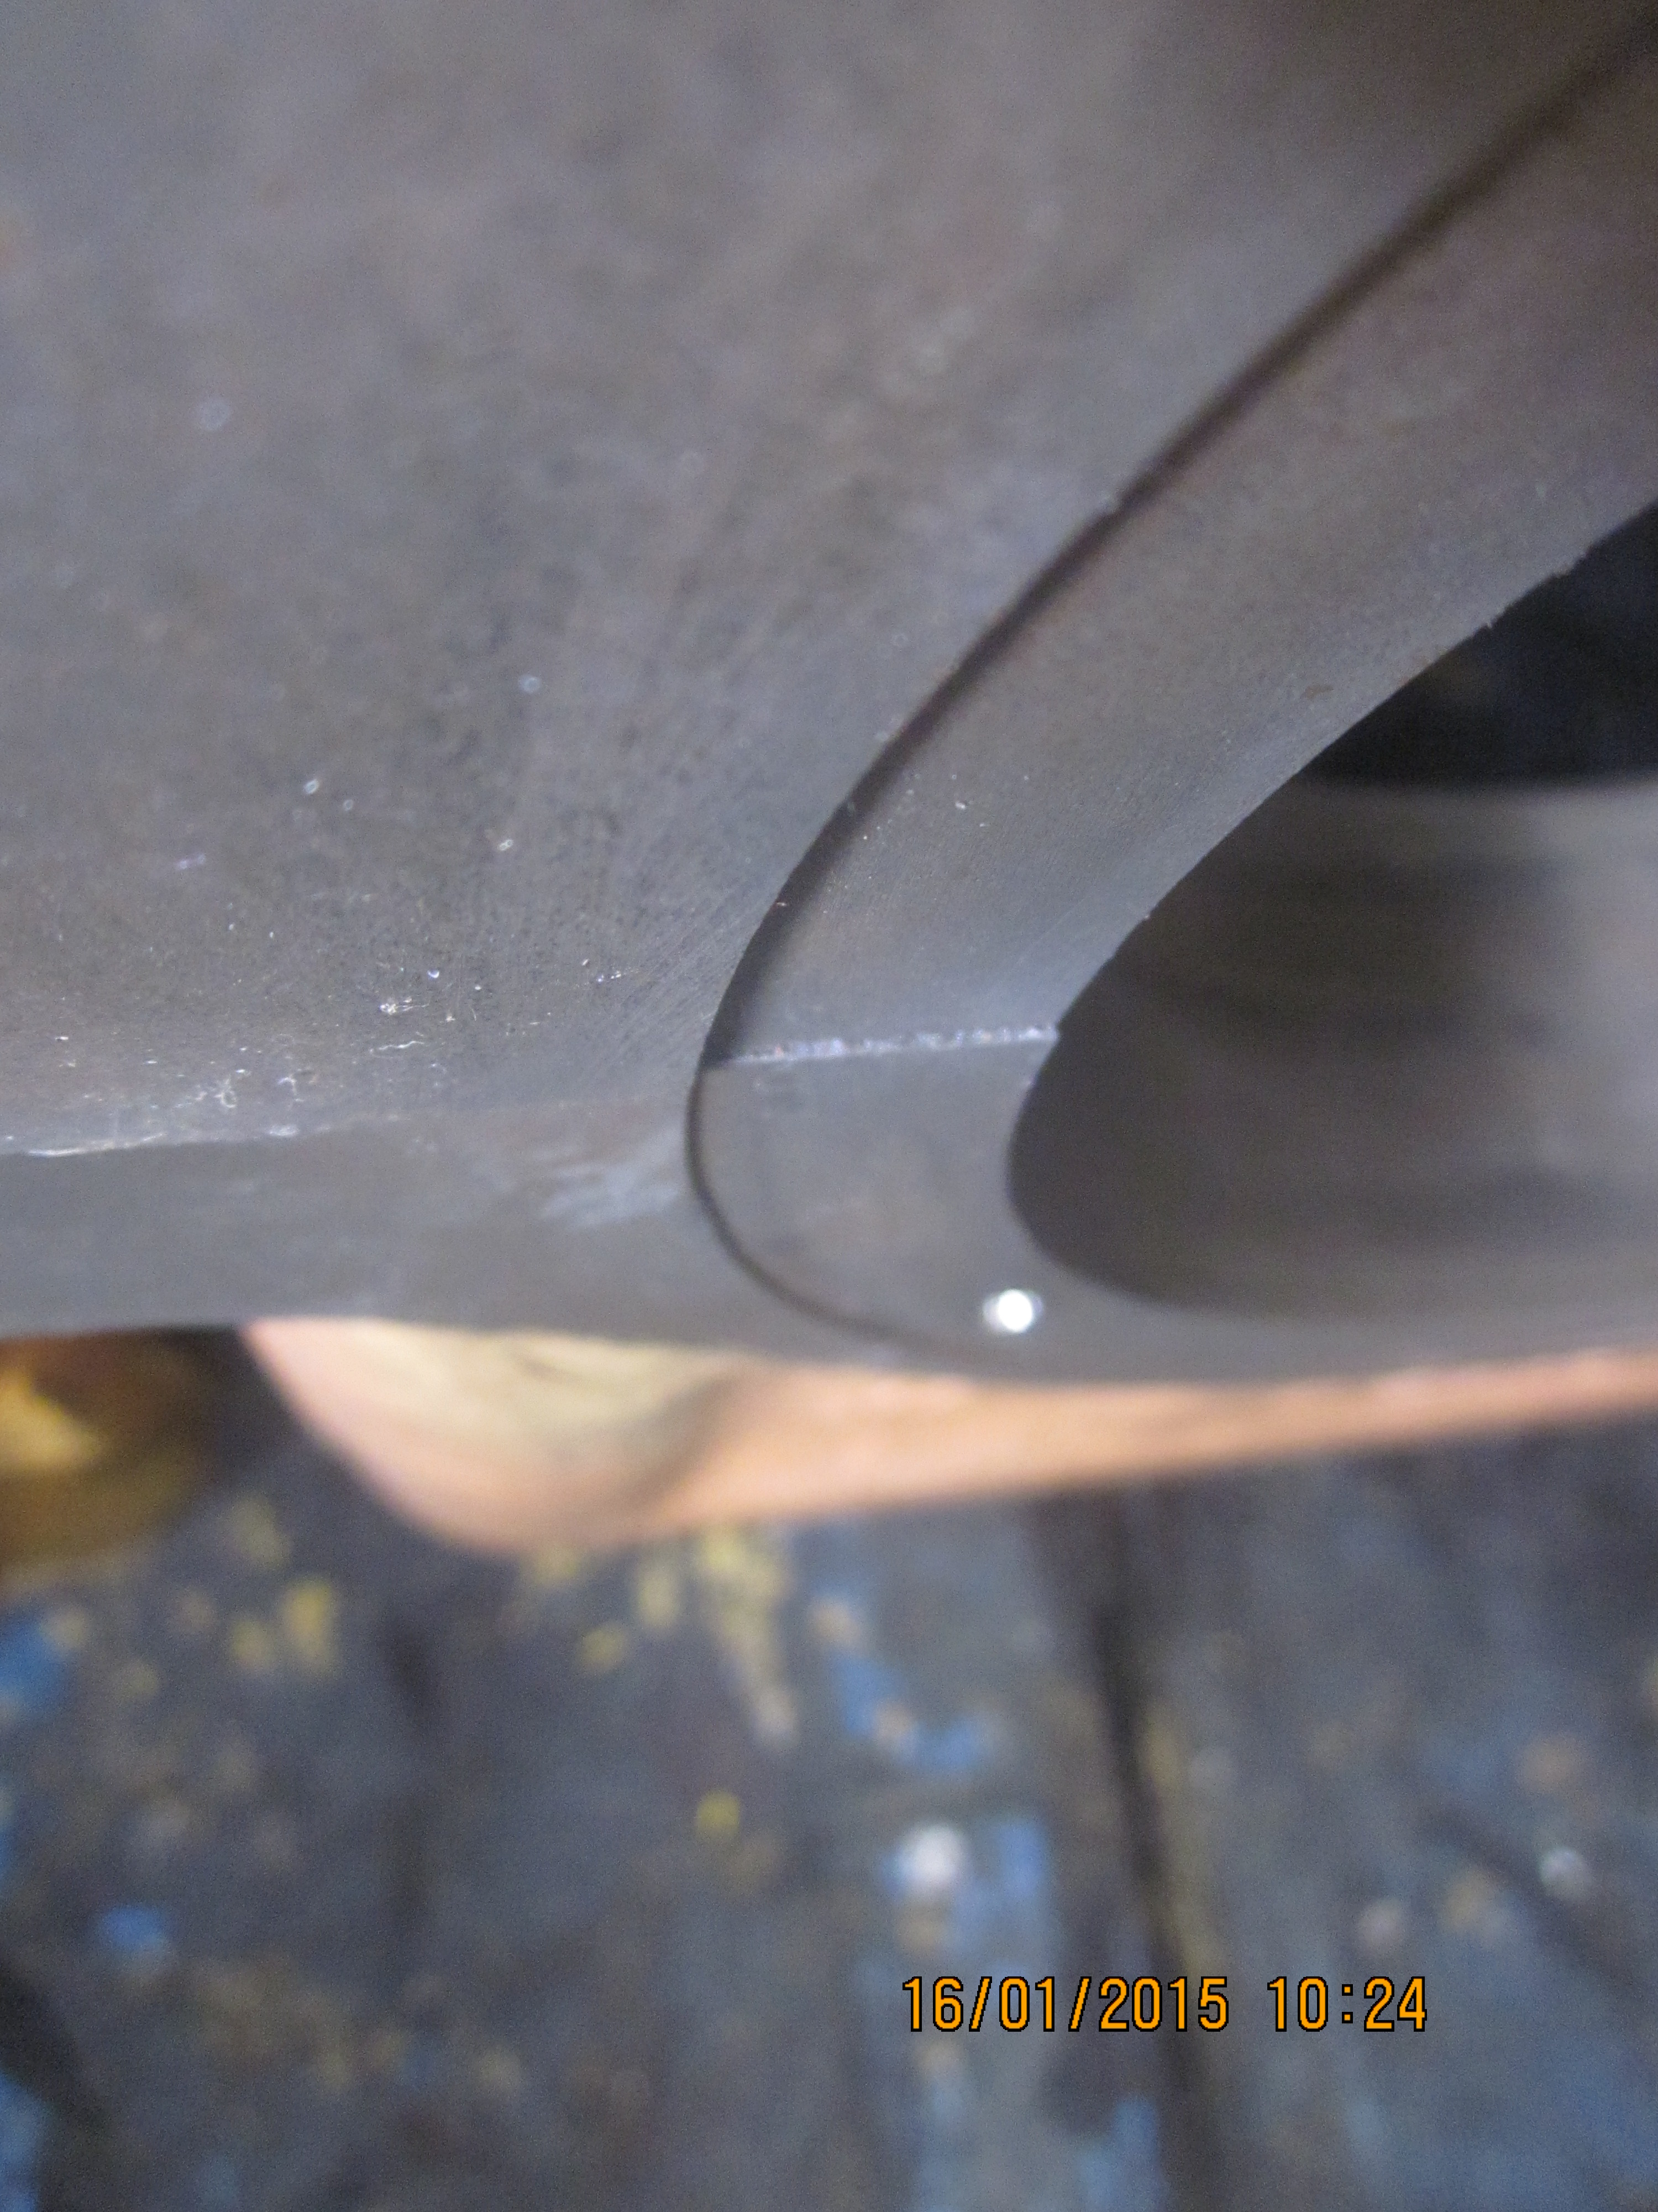
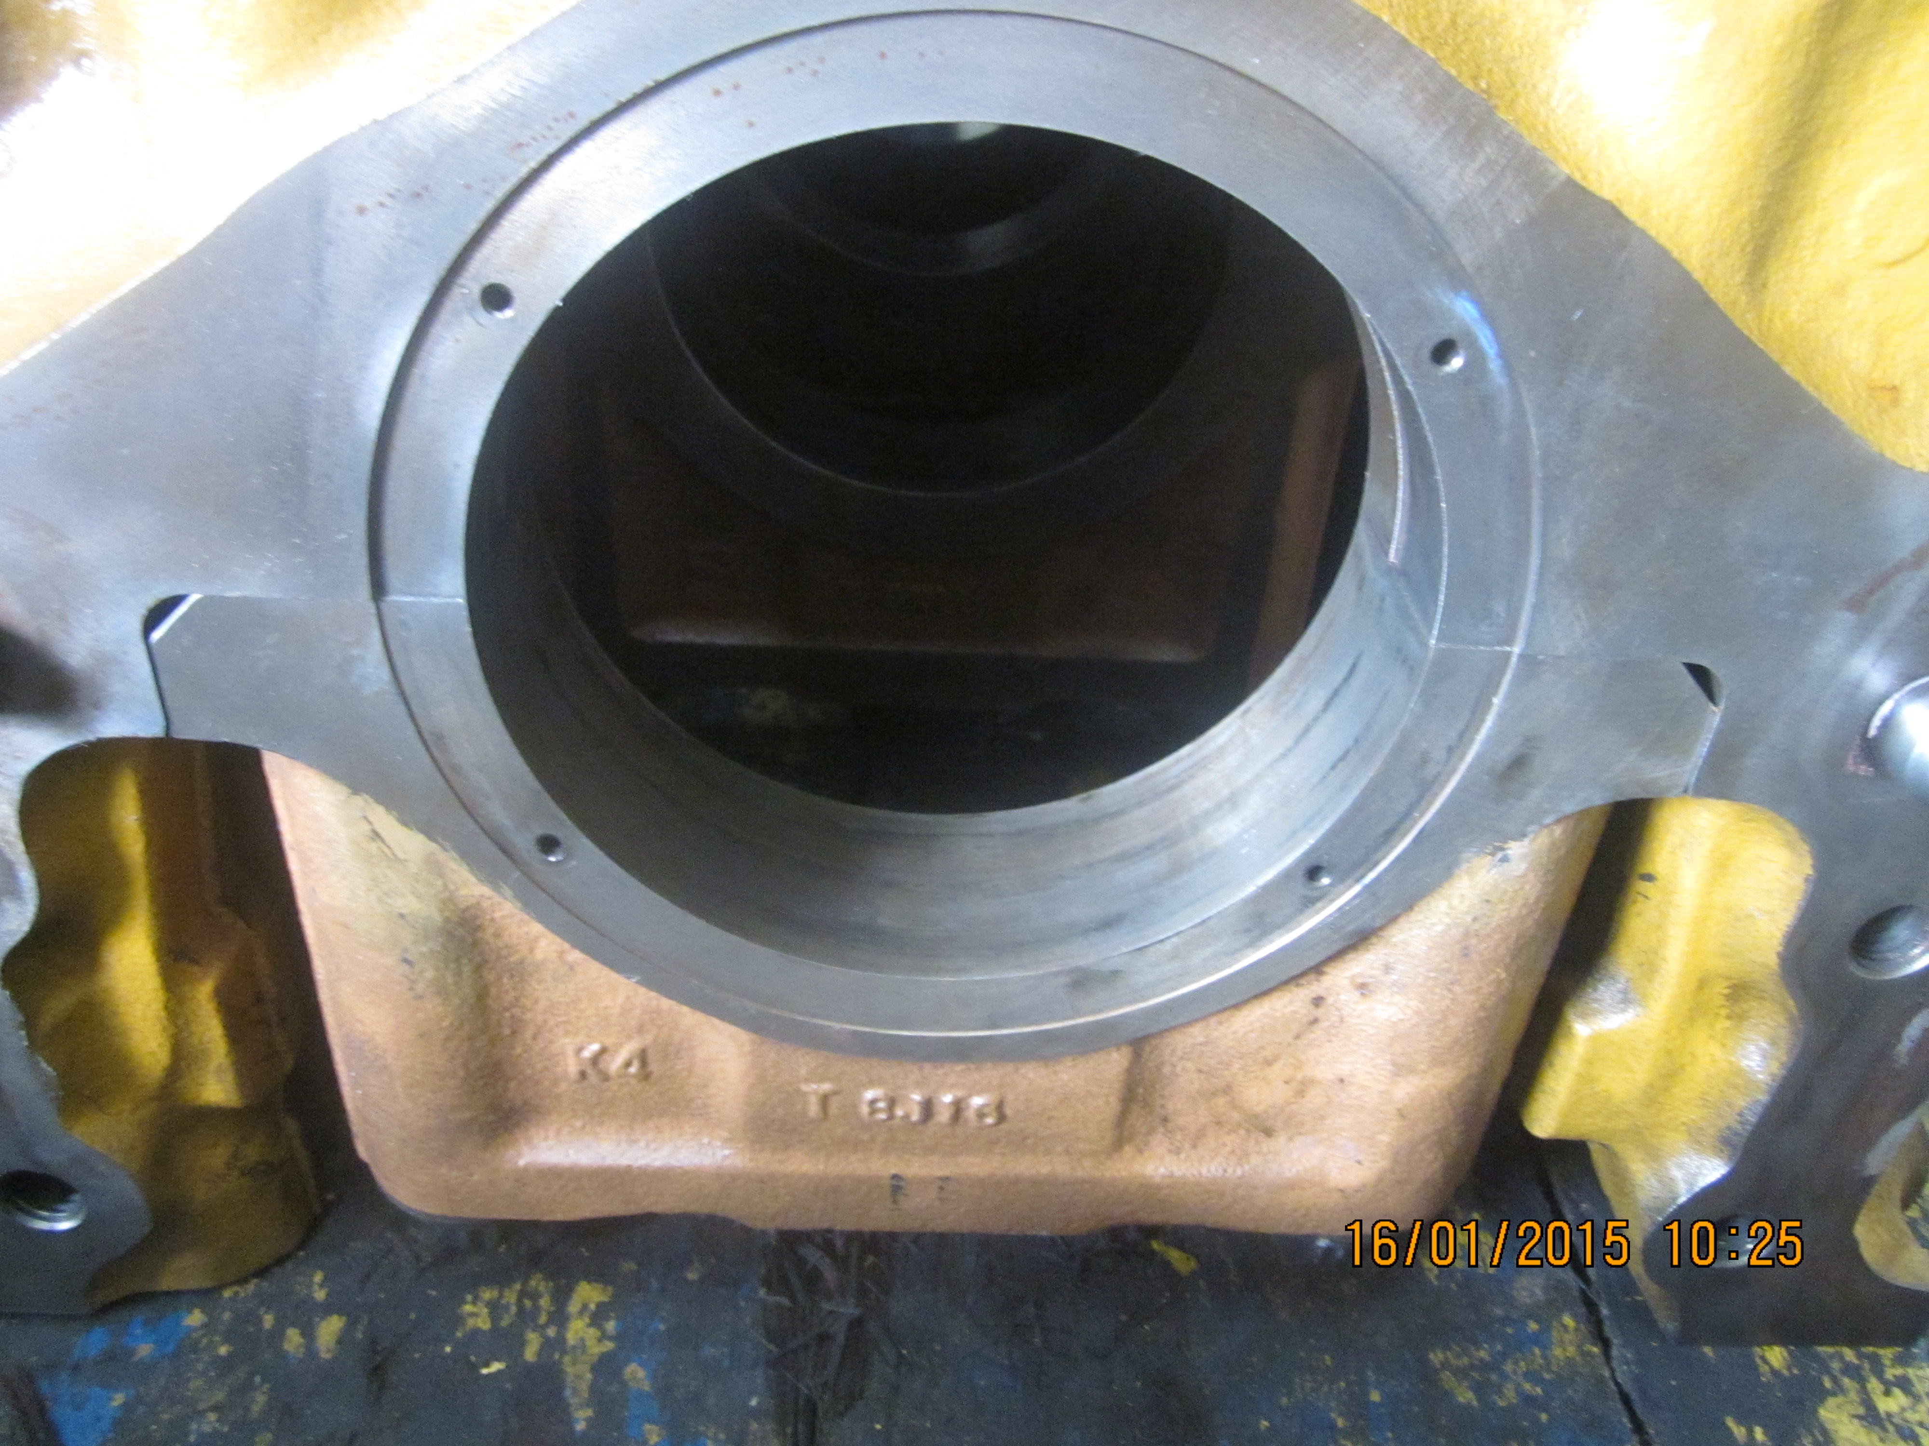
31 | Main cap Thrust metal seat |  | • | Check contact main cap with cylinder block at Thrust
 |  |  |  | metal seat. Contact must flat (no different with cap
 |  |  |  | and cyl block).
 |  |  | • | Thrust metal seat no. 7 main cap for engine 12V140
 |  |  |  | and no. 6 cap for engine 170-3/-5 series.

32 | Cylinder Liners |  | • | Check for pitting and cracks on the outer
 |  |  |  | circumference of the Cylinder liner
 |  |  | • | Inspect the inner surface for scoring and corrosion.
 |  |  | • | Check for pitting damage on seal grooves. |  |  |  |  |  |  |  |  |  |  |  |  |  |  |  |  |  |  |  |  |  |  |  |  |  | Notes : | √ | Good
 |  |  | • | Measure inside Æ, roundness and cylindricity of |  |  |  |  |  |  |  |  |  |  |  |  |  |  |  |  |  |  |  |  |  |  |  |  |  |  | x | No Good
 |  |  | • | Cylinder liner
 |  |  |  |  |  | 1 | 2 |  | 3 | 4 |  | 5 |  | 6
 |  |  |  | RH
 |  |  |  | LH
 |  |  |  |  |  | Notes : | √ | Good
 |  |  |  |  |  |  | x | No Good
33 | Cylinder Block and Check interference cap to block one by one |  | • | Check for cracks in the block, especially in the
 |  |  |  | bolt hole part of the cylinder head.
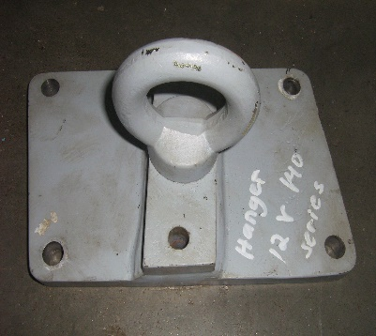
 |  |  | • | Inspect the lower liner seal area.
 |  |  | • | Check the blind plug surface for corrosion.
 |  |  | • | Check all threads.
 |  |  | • | Check mounting surface of cylinder head for
 |  |  |  | distortion and corrosion.
 |  |  | • | Check for clogging of oil and water holes.
 |  |  | • | Remove all Camshaft bushing before Colour check
 |  |  | * | Doing Colour Check inspection joint with QA Officer |  |  |  |  |  |  |  |  |  |  |  |  |  |  | INSPECTION CHECK INTERFERENCE CAP TO BLOCK ONE BY ONE

 |  |  | * | After finish colour check all Main cap must be |  |  |  |  |  |  |  |  |  |  |  |  |  |  |  | CAP | 1 |  | 2 | 3 |  | 4 |  | 5 | 6
 |  |  |  | Torque 58kgm+90° by Disassy mechanic |  |  |  |  |  |  |  |  |  |  |  |  |  |  |  | CHECK
 |  |  | * | Move the Cyl. Block with using hanger, than torque hanger Mounting Bolt. |  |  |  |  |  |  |  |  |  |  |  |  |  |  | OK | √
 |  |  |  |  |  |  |  |  |  |  |  |  |  |  |  |  |  |  | NOT OK | X
 |  |  |  | STD. Torque |  |  |  |  | 7 Kg.m.
 |  |  |  | Actual

 | Notes :

 |  | INSPECTION BY |  |  |  |  |  |  |  |  |  |  |  |  |  |  |  |  |  |  | APPROVAL BY

 |  | MECHANIC |  |  |  |  |  |  |  |  |  |  |  |  |  |  |  |  |  |  | GL/SPV PRODUCTION

CHECK BY MACHINING
 | ATTACHED
 | OUTSIDE DIAMETER OF CRANKSHAFT PIN JOURNAL AND MAIN JOURNAL
 | 6D170 - 3 Series |  |  |  |  |  |  |  |  |  |  |  |  |  |  |  |  | Unit : mm
 | Size |  |  | Main Journal |  |  |  |  |  |  |  | Pin Journal
 |  |  |  | Standard Size |  |  |  | Reman Limit |  |  |  | Standard Size |  |  |  |  | Reman Limit
 | Standard |  |  | 140.000 |  |  |  | 139.910 |  |  |  | 108.000 |  |  |  |  | 107.910
 | 0.25 US |  |  | 139.750 |  |  |  | 139.660 |  |  |  | 107.750 |  |  |  |  | 107.660
 | 0.50 US |  |  | 139.500 |  |  |  | 139.410 |  |  |  | 107.500 |  |  |  |  | 107.410
 | 0.75 US |  |  | 139.250 |  |  |  | 139.160 |  |  |  | 107.250 |  |  |  |  | 107.160
 | 1.00 US |  |  | 139.000 |  |  |  | 139.910 |  |  |  | 107.000 |  |  |  |  | 106.910
 | Out of Roundness |  |  | 0 - 0.010 |  |  |  | 0.010 |  |  |  | 0 - 0.010 |  |  |  |  | 0.010
 | Tolerance : | - 0.025

 | 6D140 - 3 Series |  |  |  |  |  |  |  |  |  |  |  |  |  |  |  |  | Unit : mm
 | Size |  |  | Main Journal |  |  |  |  |  |  |  | Pin Journal
 |  |  |  | Standard Size |  |  |  | Reman Limit |  |  |  | Standard Size |  |  |  |  | Reman Limit
 | Standard |  |  | 120.000 |  |  |  | 119.830 |  |  |  | 90.000 |  |  |  |  | 89.880
 | 0.25 US |  |  | 119.750 |  |  |  | 119.630 |  |  |  | 89.750 |  |  |  |  | 89.630
 | 0.50 US |  |  | 119.500 |  |  |  | 119.830 |  |  |  | 89.500 |  |  |  |  | 89.380
 | 0.75 US |  |  | 119.250 |  |  |  | 119.130 |  |  |  | 89.250 |  |  |  |  | 89.130
 | 1.00 US |  |  | 119.000 |  |  |  | 118.880 |  |  |  | 89.000 |  |  |  |  | 88.880
 | Out of Roundness |  |  | 0 ~ 0.010 |  |  |  | 0.020 |  |  |  | 0 ~ 0.010 |  |  |  |  | 0.020
 | Tolerance : | - 0.020

 | 12V140 - 3 Series |  |  |  |  |  |  |  |  |  |  |  |  |  |  |  |  | Unit : mm
 | Size |  |  | Main Journal |  |  |  |  |  |  |  |  | Pin Journal
 |  |  |  | Standard Size |  |  |  |  | Reman Limit |  |  |  | Standard Size |  |  |  |  | Reman Limit
 | Standard |  |  | 148.000 ~ 147.980 |  |  |  |  |  |  |  |  | 100.000 ~ 99.980 |  |  |  |  | 99,880 and less
 | 0.25 US |  |  | 147.750 ~ 147.730 |  |  |  |  |  |  |  |  | 99.750 ~ 99.730 |  |  |  |  | 99,630 and less
 | 0.50 US |  |  | 147.500 ~ 147.480 |  |  |  |  |  |  |  |  | 99.500 ~ 99.480 |  |  |  |  | 99,380 and less
 | 0.75 US |  |  | 147.250 ~ 147.230 |  |  |  |  |  |  |  |  | 99.250 ~ 99.230 |  |  |  |  | 99,130 and less
 | 1.00 US |  |  | 147.000 ~ 146.980 |  |  |  |  |  |  |  |  | 99.000 ~ 98.980 |  |  |  |  | 98,880 and less
 | Out of Roundness |  |  | 0.010 and less |  |  |  |  | 0.011 and more |  |  |  | 0.010 and less |  |  |  |  | 0,011 and more
 | Tolerance : |  | - 0.020

 | OUTSIDE DIAMETER OF CAMSHAFT JOURNAL AND CAM HEIGHT
 | 12V140 - 3 Series |  |  |  |  |  |  |  |  |  |  |  |  | 6D140-3 Series |  |  |  |  |  |  |  |  |  | Unit : mm
 | Cam Height |  | Std Size |  |  | Tolerance |  |  | Repair limit |  |  |  |  | Cam Height |  |  |  |  |  | Std Size |  | Tolerance |  |  | Repair limit
 | Intake |  | 55.48 |  |  | ± 0.1 |  |  | 55.08 |  |  |  |  | Intake |  |  |  |  |  | 55.48 |  | ± 0.1 |  |  | 55.08

 | Exhaust |  | 55.75 |  |  | ± 0.1 |  |  | 55.35 |  |  |  |  | Exhaust |  |  |  |  |  | 55.75 |  | ± 0.1 |  |  | 55.35

 | OD Chamshaft Journal |  | Std Size |  |  | Tolerance |  |  | Repair limit |  |  |  |  | OD Chamshaft Journal |  |  |  |  |  | Std Size |  | Tolerance |  |  | Repair limit
 | STD |  | 65 |  |  | -0.016 |  |  |  |  |  |  |  | STD |  |  |  |  |  | 65 |  | -0.016 |  |  | -
 |  |  |  |  |  | -0.036 |  |  |  |  |  |  |  |  |  |  |  |  |  |  |  | -0.036

 | 6D170 - 3 Series |  |  |  |  |  |  | Unit : mm
 | Cam Height |  | Std Size |  |  | Tolerance |  |  | Repair limit
 | Intake |  | 89.8 |  |  | +0.1081 |  |  | 89.20
 |  |  |  |  |  | -0.0919
 | Exhaust |  | 90.1 |  |  | +01688 |  |  | 88.80
 |  |  |  |  |  | -0.0312
 | OD Chamshaft Journal |  | Std Size |  |  | Tolerance |  |  | Repair limit
 | STD |  | 105 |  |  | -0.042 |  |  | 104.88
 |  |  |  |  |  | -0.072

